EQ Template
STG Customer's Name |  | Huf, DE, Bretten | Issued by | Kyle.wang
STG Customer's P/N |  | 2531.394.303.04.02 | Factory P/N | JA4C216TD0
STG P/N |  | 04R008984.D00 | Date | 26-Oct-2022

Customer Engineering Approval

Choosen Base Material |  | FR4 DK-C150 TG: 150, CTI>=175 | Choosen Solder Mask | YSR-900 GM with matt green

No | Description of the Problem/picture | Suggestion/Proposal | Customer Response | EQ Status
1 | About the baord material type. | We suggest using FR4 DK-C150 TG: 150, CTI>=175 by STG PO. | STG MN: confirmed BH SENS: we confirm
2 | About the solder resist type. | We suggest using YSR-900 GM with matt green by STG PO. | STG MN: confirmed BH SENS: we confirm
3 | 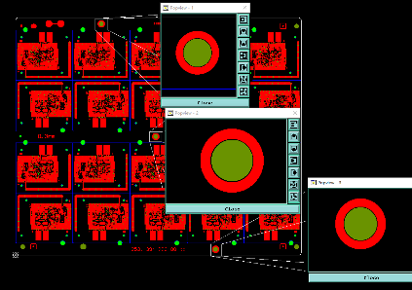 As the picture show,the min. clearance between NPTH(Ø4.0MM) and copper ring is only 0.1mm on top side, it is not enough to tent the NPTH at dry film process. | 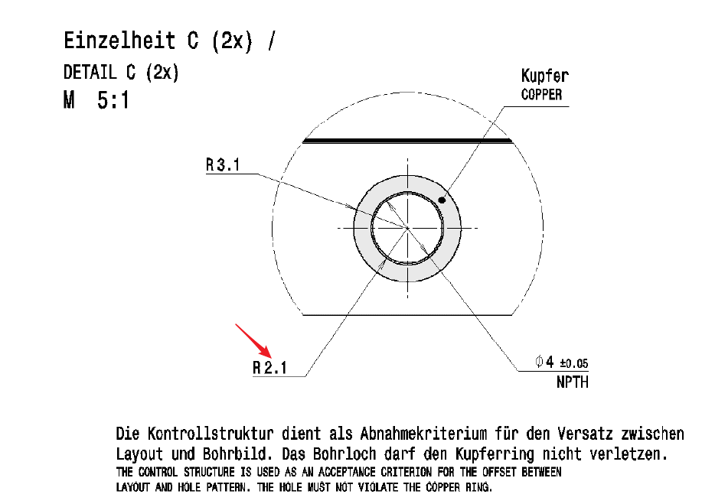 We suggest shave copper ring and ensure the distance is 0.20mm from copper to NPTH hole and ensure the sufficient space. and copper ring inner diamter change from R2.1MM to R2.3MM) please confirm. | BH SENS: please follow gerber data
4 | About marking | We suggest adding our UL(ST-G 7JM 兄 94V-0 E330796) and date code(YYWW) according to the previous version location. Please confirm. | STG MN: confirmed BH SENS: we confirm
5 | 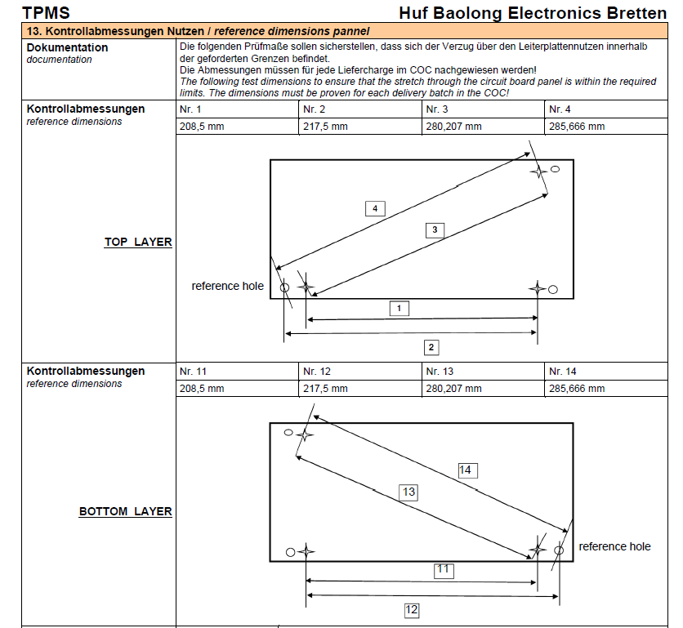 The dimensions don't indicate the tolerances. | We suggest following +/-0.1mm. Please confirm. | STG MN: confirmed, same as before BH SENS: we confirm
6 | 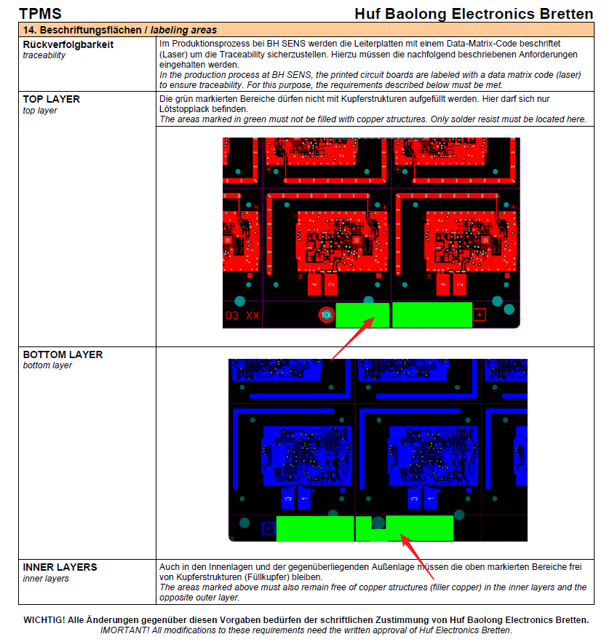 The area sizes of the free copper in the drawing is not the same as the gerber file. | We suggest following the requirements of the drawing and all layers free of copper in this areas according to previous versions. Please confirm. | BH SENS: we confirm
7 | We will replace XX to 02 according to STG PO. | Please confirm. | STG MN: confirmed BH SENS: confirmed
8 | 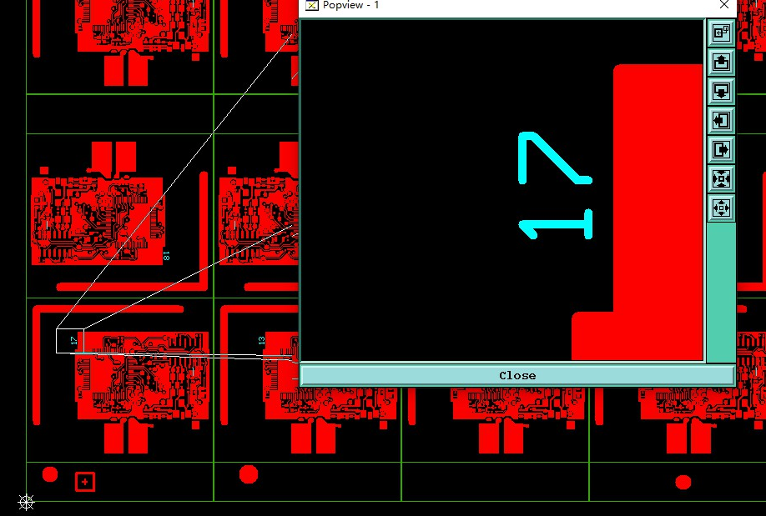 The number is positive in the bottom layer, it is abnormal. | 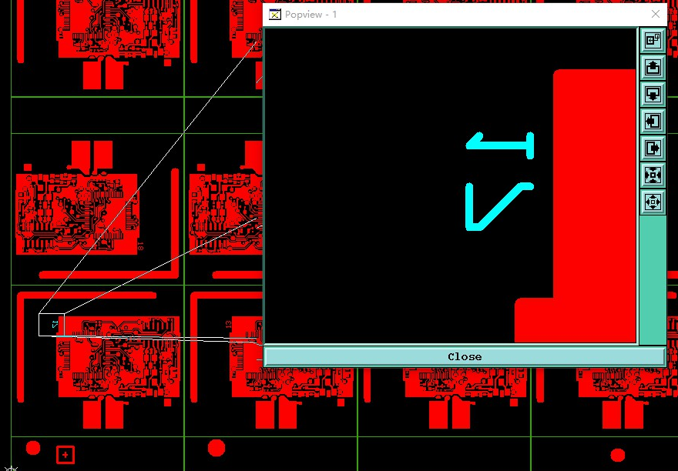 We suggest mirroring it (as shown below). Please confirm. | BH SENS: follow gerber data
9 | The PPAP requirements follow to previous versions. | Please confirm. | STG MN: see attached documents which we received now. There are different documents to fill in.
10 | Unless above questions, all other questions follow to previous versions. | Please confirm. | STG MN: confirmed BH SENS: confirmed
Date |  |  | Customer's Signature
27-Oct-2022 |  |  | STG DE: M.Neeff / 27-Oct-2022 BH SENS: A. Haerter / 28-Oct-2022

